Sheet1
DESCRIPTION | SIZE | 1/2 CHEST /CM | X UNITS | PRICE | QTY | AMOUNT

 |  |  |  |  | Date: 2025 -2026

Clothing Order: |  | Order Online: rcgclothing.co.za

Name & Surname:

Contact Number:

Mail Address:

Student Name & Surname:

Fill in your desired quantities in the designated yellow areas.

Cap - Six Panel | 100% Heavy Brushed Cotton

DESCRIPTION | SIZE | 1/2 CHEST IN CM | X UNITS | PRICE | QTY | AMOUNT
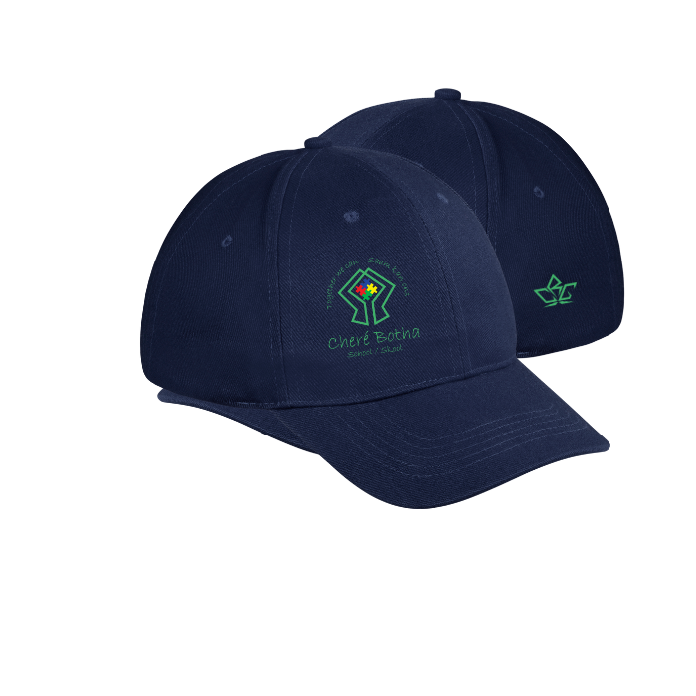
 | One Size Fits All |  | 0 | R 98.00 | 0 | R 0.00

Unisex

 |  |  |  |  |  | R 0.00

T-Shirt Active - Short Sleeve | Moisture Management 100% Polyester

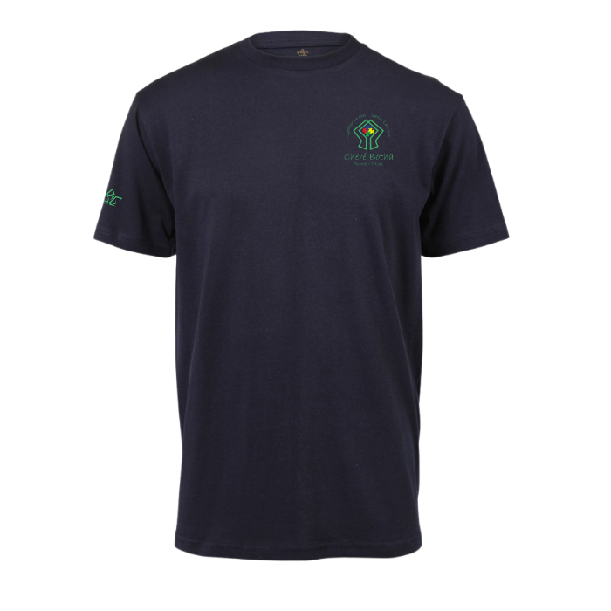
DESCRIPTION | SIZE | 1/2 CHEST IN CM | X UNITS | PRICE | QTY | AMOUNT
Kids | 5-6 | 33 | 0 | R 162.00 | 0 | R 0.00
 | 7-8 | 36 | 0
 | 9-10 | 41 | 0
 | 11-12 | 42 | 0
 | 13-14 | 45 | 0 | R 188.00 | 0 | R 0.00
Unisex | XS | 48 | 0
 | S | 51 | 0
 | M | 54 | 0
 | L | 57 | 0
 | XL | 60 | 0 | R 214.00 | 0 | R 0.00
 | 2XL | 63 | 0
 | 3XL | 66 | 0
Custom Fit Per Item | Appointment |  | 0 | R 70.00 | 0 | R 0.00
 |  |  |  |  |  | R 0.00

T-Shirt - Short Sleeve | 170gm / 100% Carded Cotton

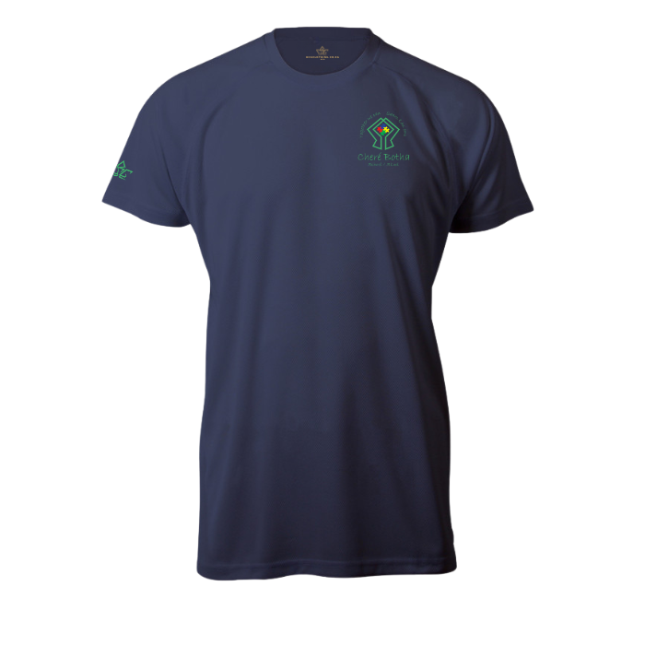
DESCRIPTION | SIZE | 1/2 CHEST IN CM | X UNITS | PRICE | QTY | AMOUNT
Kids | 5-6 | 33 | 0 | R 138.00 | 0 | R 0.00
 | 7-8 | 36 | 0
 | 9-10 | 41 | 0
 | 11-12 | 42 | 0
 | 13-14 | 45 | 0 | R 174.00 | 0 | R 0.00
Unisex | S | 49 | 0
 | M | 52 | 0
 | L | 55 | 0
 | XL | 58 | 0 | R 204.00 | 0 | R 0.00
 | 2XL | 61 | 0
 | 3XL | 64 | 0
 | 4XL | 67 | 0 | R 234.00 | 0 | R 0.00
 | 5XL | 70 | 0
Custom Fit Per Item | Appointment |  | 0 | R 70.00 | 0 | R 0.00
 |  |  |  |  |  | R 0.00

T-Shirt - Long Sleeve | 170gm / 100% Carded Cotton

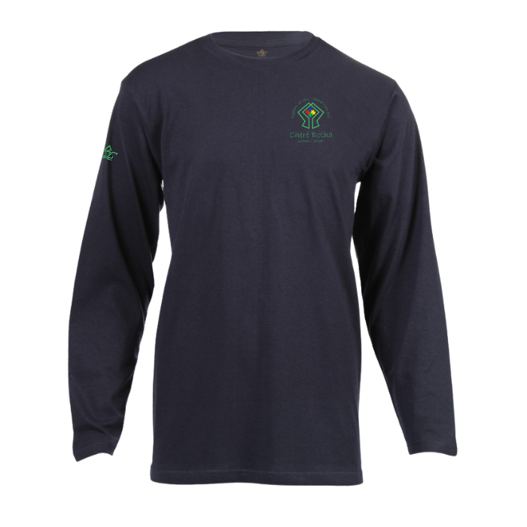
DESCRIPTION | SIZE | 1/2 CHEST IN CM | X UNITS | PRICE | QTY | AMOUNT
Kids | 5-6 | 33 | 0 | R 178.00 | 0 | R 0.00
 | 7-8 | 36 | 0
 | 9-10 | 41 | 0
 | 11-12 | 42 | 0
 | 13-14 | 45 | 0 | R 214.00 | 0 | R 0.00
Unisex | S | 49 | 0
 | M | 52 | 0
 | L | 55 | 0
 | XL | 58 | 0 | R 244.00 | 0 | R 0.00
 | 2XL | 61 | 0
 | 3XL | 64 | 0
 | 4XL | 67 | 0 | R 304.00 | 0 | R 0.00
 | 5XL | 70 | 0
Custom Fit Per Item | Appointment |  | 0 | R 70.00 | 0 | R 0.00
 |  |  |  |  |  | R 0.00

Golf Shirt | 180gm 100% Cotton Pique Knit

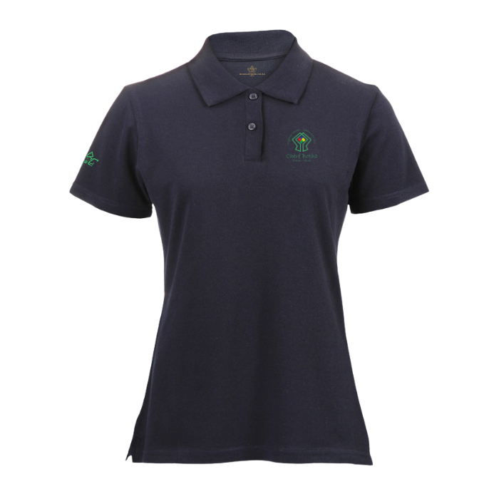
DESCRIPTION | SIZE | 1/2 CHEST IN CM | X UNITS | PRICE | QTY | AMOUNT
Kids | 5-6 | 33 | 0 | R 168.00 | 0 | R 0.00
 | 7-8 | 36 | 0 | R 180.00 | 0 | R 0.00
 | 9-10 | 41 | 0 | R 192.00 | 0 | R 0.00
 | 11-12 | 42 | 0
 | 13-14 | 45 | 0 | R 204.00 | 0 | R 0.00
Ladies | XS | 45 | 0 | R 216.00 | 0 | R 0.00
 | S | 47 | 0
 | M | 49 | 0
 | L | 51 | 0 | R 234.00 | 0 | R 0.00
 | XL | 53 | 0
 | 2XL | 55 | 0 | R 264.00 | 0 | R 0.00
Men | S | 51 | 0 | R 216.00 | 0 | R 0.00
 | M | 54 | 0
 | L | 57 | 0 | R 234.00 | 0 | R 0.00
 | XL | 60 | 0
 | 2XL | 63 | 0 | R 264.00 | 0 | R 0.00
 | 3XL | 66 | 0 | R 294.00 | 0 | R 0.00
Custom Fit Per Item | Appointment |  | 0 | R 70.00 | 0 | R 0.00
 |  |  |  |  |  | R 0.00

Golf Shirt - Moisture Management | Dri-Fit

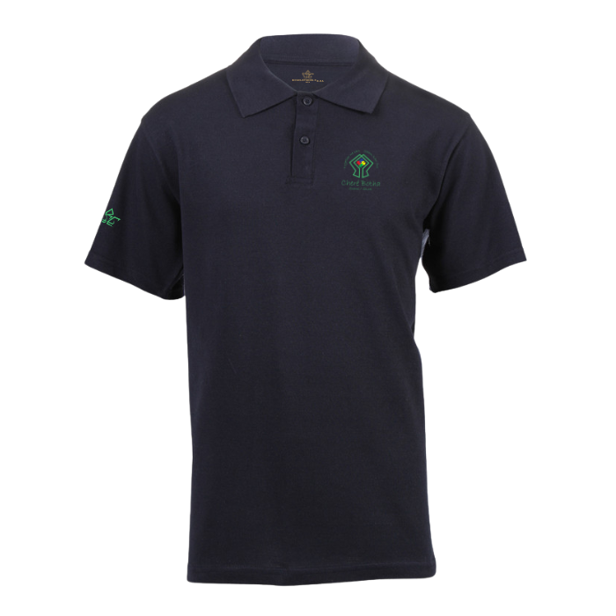
DESCRIPTION | SIZE | 1/2 CHEST IN CM | X UNITS | PRICE | QTY | AMOUNT
Kids | 5-6 | 33 | 0 | R 188.00 | 0 | R 0.00
 | 7-8 | 36 | 0 | R 200.00 | 0 | R 0.00
 | 9-10 | 41 | 0 | R 212.00 | 0 | R 0.00
 | 11-12 | 42 | 0
 | 13-14 | 45 | 0 | R 224.00 | 0 | R 0.00
Ladies | XS | 45 | 0 | R 236.00 | 0 | R 0.00
 | S | 47 | 0
 | M | 49 | 0
 | L | 51 | 0 | R 254.00 | 0 | R 0.00
 | XL | 53 | 0
 | 2XL | 55 | 0 | R 284.00 | 0 | R 0.00
Men | S | 51 | 0 | R 236.00 | 0 | R 0.00
 | M | 54 | 0
 | L | 57 | 0 | R 254.00 | 0 | R 0.00
 | XL | 60 | 0
 | 2XL | 63 | 0 | R 284.00 | 0 | R 0.00
 | 3XL | 66 | 0 | R 314.00 | 0 | R 0.00
Custom Fit Per Item | Appointment |  | 0 | R 70.00 | 0 | R 0.00
 |  |  |  |  |  | R 0.00

Shorts | Quick Dry Fabric

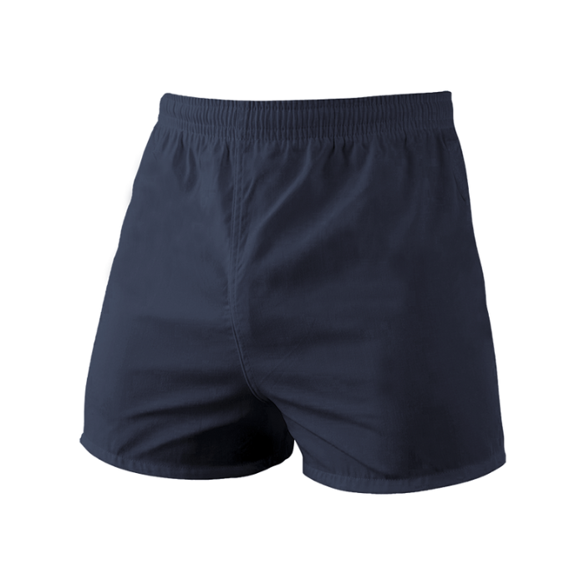
DESCRIPTION | SIZE | 1/2 Waist IN CM | X UNITS | PRICE | QTY | AMOUNT
Kids | 5-6 | 27-37 | 0 | R 180.00 | 0 | R 0.00
 | 7-8 | 29-36 | 0
Short | 9-10 | 31-38 | 0
 | 11-12 | 32.5-39.5 | 0
 | 13-14 | 34-41 | 0 | R 210.00 | 0 | R 0.00
Unisex | S | 35-42 | 0
 | M | 38-45 | 0
 | L | 41-48 | 0
 | XL | 45-52 | 0 | R 246.00 | 0 | R 0.00
 | 2XL | 49-56 | 0
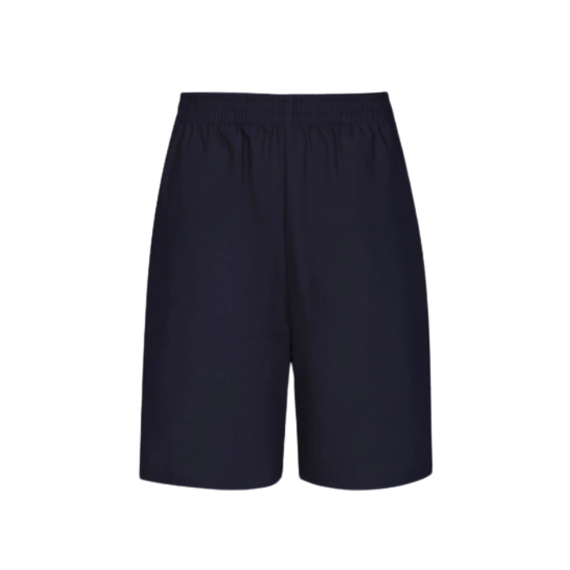
Custom Fit Per Item | Appointment |  | 0 | R 70.00 | 0 | R 0.00

Kids | 5-6 | 27-37 | 0 | R 195.00 | 0 | R 0.00
 | 7-8 | 29-36 | 0
Longer | 9-10 | 31-38 | 0
 | 11-12 | 32.5-39.5 | 0
 | 13-14 | 34-41 | 0 | R 225.00 | 0 | R 0.00
Unisex | S | 35-42 | 0
 | M | 38-45 | 0
 | L | 41-48 | 0
 | XL | 45-52 | 0 | R 261.00 | 0 | R 0.00
 | 2XL | 49-56 | 0
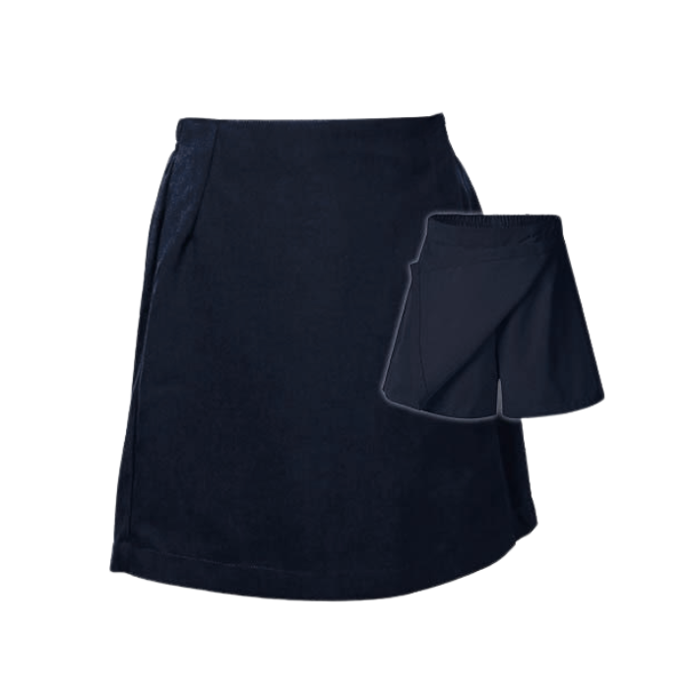
Custom Fit Per Item | Appointment |  | 0 | R 70.00 | 0 | R 0.00

Kids | 5-6 | 27-37 | 0 | R 195.00 | 0 | R 0.00
 | 7-8 | 29-36 | 0
Girls | 9-10 | 31-38 | 0
 | 11-12 | 32.5-39.5 | 0
 | 13-14 | 34-41 | 0 | R 225.00 | 0 | R 0.00
Unisex | S | 35-42 | 0
 | M | 38-45 | 0
 | L | 41-48 | 0
 | XL | 45-52 | 0 | R 261.00 | 0 | R 0.00
 | 2XL | 49-56 | 0
Custom Fit Per Item | Appointment |  | 0 | R 70.00 | 0 | R 0.00
 |  |  |  |  |  | R 0.00

Fleece Jacket | Polar Fleece

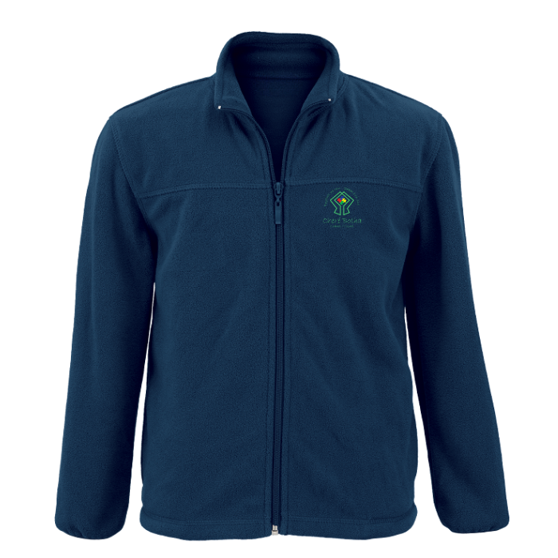
DESCRIPTION | SIZE | 1/2 CHEST IN CM | X UNITS | PRICE | QTY | AMOUNT
Kids | 5-6 | 38 | 0 | R 285.00 | 0 | R 0.00
 | 7-8 | 41 | 0
 | 9-10 | 44 | 0
 | 11-12 | 47 | 0
 | 13-14 | 50 | 0 | R 305.00 | 0 | R 0.00
Ladies | XS | 42 | 0
 | S | 46 | 0
 | M | 50 | 0
 | L | 54 | 0
 | XL | 58 | 0 | R 325.00 | 0 | R 0.00
 | 2XL | 62 | 0
Men | XS | 52 | 0 | R 305.00 | 0 | R 0.00
 | S | 55 | 0
 | M | 58 | 0
 | L | 61 | 0
 | XL | 64 | 0 | R 325.00 | 0 | R 0.00
 | 2XL | 67 | 0
 | 3XL | 70 | 0
 | 4XL | 73 | 0 | R 345.00 | 0 | R 0.00
 | 5XL | 76 | 0
Custom Fit Per Item | Appointment |  | 0 | R 70.00 | 0 | R 0.00
 |  |  |  |  |  | R 0.00

Rain Jacket | 100% Polyester Shell (100% Cotton Inner)

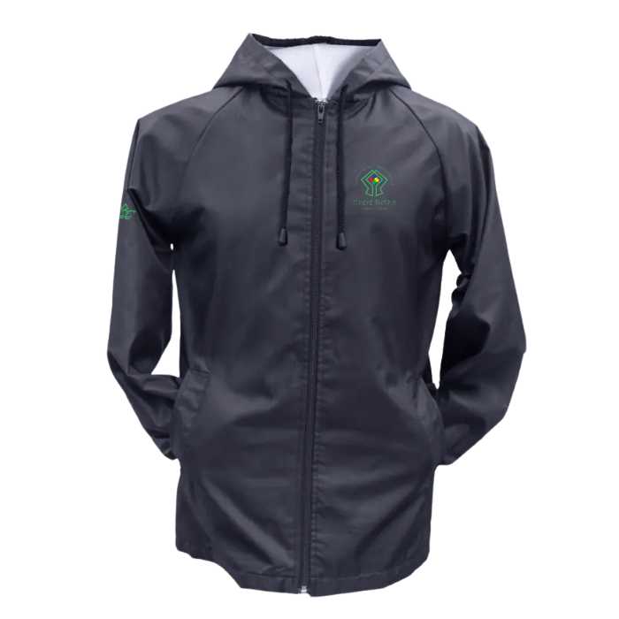
DESCRIPTION | SIZE | 1/2 CHEST IN CM | X UNITS | PRICE | QTY | AMOUNT
Kids | 5-6 | 41 | 0 | R 295.00 | 0 | R 0.00
 | 7-8 | 44 | 0 | R 310.00 | 0 | R 0.00
 | 9-10 | 47 | 0 | R 325.00 | 0 | R 0.00
 | 11-12 | 50 | 0
 | 13-14 | 53 | 0 | R 355.00 | 0 | R 0.00
Unisex | S | 57.5 | 0 | R 395.00 | 0 | R 0.00
 | M | 60 | 0 | Fold-away hood with drawcords
 | L | 62.5 | 0 | R 455.00 | 0 | R 0.00
 | XL | 65 | 0
 | 2XL | 67.5 | 0 | R 515.00 | 0 | R 0.00
 | 3XL | 70 | 0 | R 575.00 | 0 | R 0.00
Custom Fit Per Item | Appointment |  | 0 | R 70.00 | 0 | R 0.00
 |  |  |  |  |  | R 0.00

Tracksuit | Trifetta

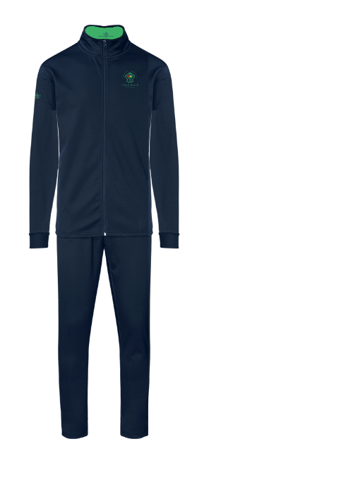
DESCRIPTION | SIZE | 1/2 CHEST IN CM | X UNITS | PRICE | QTY | AMOUNT
 |  | Chest / Bottom
Kids | 5-6 | 38 / 20 | 0 | R 444.00 | 0 | R 0.00
 | 7-8 | 41 / 23 | 0
 | 9-10 | 44 / 26 | 0 | R 480.00 | 0 | R 0.00
 | 11-12 | 47 / 29 | 0 | R 540.00 | 0 | R 0.00
 | 13-14 | 50 / 32 | 0 | R 606.00 | 0 | R 0.00
Unisex | S | 54 / 35 | 0 | R 678.00 | 0 | R 0.00
 | M | 57 / 38 | 0
 | L | 60 /41 | 0 | R 756.00 | 0 | R 0.00
 | XL | 63 / 44 | 0
 | 2XL | 66 / 47 | 0 | R 840.00 | 0 | R 0.00
 | 3XL | 69 / 50 | 0 | R 960.00 | 0 | R 0.00
 | 4XL | 72 / 53 | 0 | R 1,140.00 | 0 | R 0.00
 | 5XL | 75 /56 | 0 | R 1,195.00 | 0 | R 0.00
Custom Fit Per Item | Appointment |  | 0 | R 70.00 | 0 | R 0.00
 |  |  |  |  |  | R 0.00

Banking details: |  |  |  | Order Total: |  | R 0
RCG Clothing
Capitec BUSINESS
Current Account: 1053124058
Branch Code: 450105
Reference: Name and Surname

Note: Please email proof of payment to admin@rcgclothing.co.za and use your Name and Surname as reference


RCG Clothing (PTY)Ltd 2024/111976/07
50 14th Avenue, Boston, Bellville,Cape Town 7530

rcgclothing.co.za | admin@rcgclothing.co.za

Riaan 0796345037 | Chrissie 0649874911

